Creator's Message
Welcome!
To show appreciation for this
valuable, free resource,
Please subscribe to my
YouTube channel: ExcelObstacleCourse
Please also share my videos so we can continue to
grow the audience and community!

Main Page
Your Time:

Type an 'x' in green cell to start timer ------------------------------------>
Type an 'x' in red cell to stop timer ------------------------------->
 | Starting Tip 1 | If you make a mistake and want to undo, hit CTRL and Z for undo.
 | Starting Tip 2 | Try the obstacle course without the mouse, but if it is needed as a 'rescue' feel free.
 |  | However, it is possible to complete without using the mouse or touchpad.
 | Starting Tip 3 | When using arrows, consider the Shift key your 'highlight' key and the control (CTRL) key your 'warp' key.
 |  | Holding Shift and using arrows will highlight cells as you go.
 |  | Holding the CTRL key and using arrows will 'warp' you to the next cell with a value in it.
 |  | Holding both Shift and CTRL at the same time, and using the arrows will cause you to both 'warp' and 'highlight.'

WELCOME TO THE EXCEL OBSTACLE COURSE! Visit ExcelObstacleCourse on Youtube for a complete and detailed walkthrough!
The objective of this game is to increase your efficiency with keyboard shortcuts (hotkeys) in order to eliminate pointing / clicking with the mouse or touchpad.
You will find that your Excel skills and speed will greatly increase as you improve your best time through the course.
Note: Make sure you DON'T SAVE the course upon exiting, otherwise you will not have the ability to restart the course fresh.
If you mess up, close out of the spreadsheet and don't save. Reopen the original copy and restart.
Place an "x" in the green box (cell B5) and hit enter to start the timer, then go on to the tab below to go to the first obstacle.
When you have completed the obstacle on each tab, continue to the next tab (from left to right).
There are instructions on each obstacle as well as hotkey tips. Good Luck!

Important!
Please close all other Excel workbooks you have open before opening the Excel Obstacle Course XTimer.
If you have already opened this sheet before closing all other Excel sheets, please close all Excel workbooks and re-open the Obstacle Course. Doing so ensures correct operation of the timer.

START
Obstacle:
Delete the striped columns without using your mouse.
Hotkey hints:
CTRL and Spacebar Highlights entire column
CTRL and - (minus sign) Deletes entire column
Move on to the next tab when complete

Row Delete
Obstacle:
Delete the striped rows without using your mouse.
Hotkey hints:
Shift and Spacebar Highlights entire row
CTRL and - (minus sign) Deletes entire row
Move on to the next tab when complete

Column and Row Delete
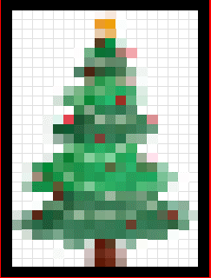
Obstacle:
Delete the red border around the picture of the Christmas Tree
Hotkey hints:
Shift and Spacebar Highlights entire row
CTRL and Spacebar Highlights entire column
CTRL and - (minus sign) Deletes entire column / row that is highlighted
The end result should be a black rectangular
border with the Christmas tree in it.
Move on to the next tab when complete

Arrow Navigation
Obstacle:
Using only the arrow keys while holding down CTRL, Navigate your cursor from the start of thered box (x's) to the finish.
Hotkey hints:
CTRL and Arrow (jumps to next cell with an 'x' in it)
Move on to the next tab when complete

x | x | x | x | x | x

x | x | x | x | x | x

x | x | x | x | x | x

Switching Sheets
Obstacle:
Switch from one sheet to another by using CTRL and Pg Up and Pg Dn
Hotkey hints:
CTRL and Pg Dn (advances one sheet)
CTRL and Pg Up (goes back one sheet)
If you have no Pg Up or Pg Dn on your keyboard, you may use the mouse.

Advance to next sheet (CTRL and Pg Dn)

Switching Sheets2
Obstacle:
Switch from one sheet to another by using CTRL and Pg Up and Pg Dn
Hotkey hints:
CTRL and Pg Dn (advances one sheet)
CTRL and Pg Up (goes back one sheet)
If you have no Pg Up or Pg Dn on your keyboard, you may use the mouse.

Advance to next sheet (CTRL and Pg Dn)

Switching Sheets3
Obstacle:
Switch from one sheet to another by using CTRL and Pg Up and Pg Dn
Hotkey hints:
CTRL and Pg Dn (advances one sheet)
CTRL and Pg Up (goes back one sheet)
If you have no Pg Up or Pg Dn on your keyboard, you may use the mouse.

Advance to next sheet (CTRL and Pg Dn)

Copy Down
Obstacle:
Copy down the cells in columns B, C and D
Hotkey hints:
Highlight the cells first.
CTRL and D (copies cells from the topmost highlighted cells to the bottom)
The end result should look like
this ------->
Dasher | Dancer | Prancer | Vixen
Dasher
Dasher
Dasher
Dasher
Dasher
Dasher
Dasher
Dasher
Dasher
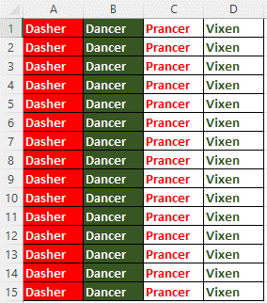
Dasher
Dasher
Dasher
Dasher
Dasher

Copy Right
Comet | Comet | Comet | Comet | Comet | Comet | Comet | Comet | Comet
Cupid
Donner
Blitzen

Obstacle:
Copy the cells in columns 1 2 3 and 4 to the right.
Hotkey hints:
Highlight the cells first.
CTRL and R (copies cells from the leftmost highlighted cells to the right)
The end result should look like
this ------->

Totals
Obstacle:
Place totals of each column (A through D) in row 21.
Hotkey hints:
Highlight cells A20, B20, C20 and D20
ALT and + (sums the numbers directly above the cursor)
The end result should look like
this ------->
 | Bows | Ribbons | Bells | Stars
Peter | 35 | 93 | 1 | 98
Margeret | 82 | 68 | 98 | 33
Nicholas | 33 | 9 | 50 | 27
Ivy | 94 | 63 | 94 | 94
Charles | 32 | 4 | 89 | 26
Rosie | 96 | 68 | 38 | 19
George | 77 | 85 | 83 | 38
Isabelle | 34 | 36 | 61 | 58
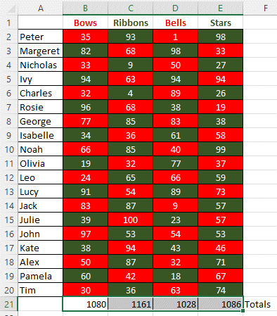
Noah | 66 | 85 | 40 | 99
Olivia | 19 | 32 | 77 | 37
Leo | 24 | 65 | 66 | 59
Lucy | 91 | 54 | 89 | 73
Jack | 83 | 87 | 9 | 57
Julie | 39 | 100 | 23 | 57
John | 97 | 53 | 54 | 53
Kate | 38 | 94 | 43 | 46
Alex | 50 | 87 | 32 | 71
Pamela | 60 | 42 | 18 | 67
Tim | 30 | 36 | 63 | 74
 |  |  |  |  | Totals

Sorting
Obstacle:
Sort the Christmas items in column A in ascending order
Hotkey hints:
Highlight all the colored cells first, then press (in order):
1) ALT
2) D
3) S
4) Enter
End result should look like this ------------------------------------------->
Star
Greetings
Noel
Winter
Bethlehem
Sacred
Advent
New Year
December
Tidings
Wreath
Fir
Gifts
Lights
Peace
Yuletide
Holly
Miracle
Mistletoe
Joy
Tradition
Music
Poinsettia
Spirit
Bells

Copy and Paste as Values
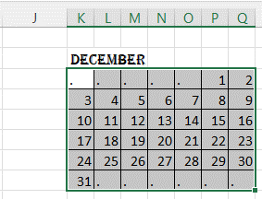
Obstacle:
Copy the grid of numbers in columns A through G, rows 1 -8, and paste as values in the grid appearing in columns K through Q,
rows 3 - 8.
Hotkey hints:
Highlight the cells to copy, then press (in order):
1) CTRL and C
Then move your cursor to cell G1, and press (in order)
1) 'Right Click' Key. On your keyboard it usually looks like this --->
2) S
3) V
End result should look like this
---------------------------------------->
December |  |  |  |  |  |  | December
. | . | . | . | . | 1 | 2
3 | 4 | 5 | 6 | 7 | 8 | 9
10 | 11 | 12 | 13 | 14 | 15 | 16
17 | 18 | 19 | 20 | 21 | 22 | 23
24 | 25 | 26 | 27 | 28 | 29 | 30
31 | . | . | . | . | . | .

1

NOTE:
If your keyboard doesn't have a 'right click' button, feel free to tap right click on the mouse or touchpad in place of this.

FINAL
Go back to "Main Page!"
NOTE: you must hold down CTRL and continue to tap Pg Up until you arrive at the Main Page

